Images
Image Examples
圖片示例
Image Standards | 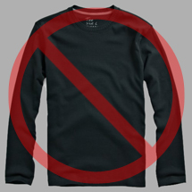 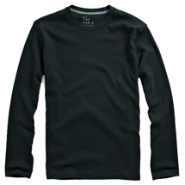 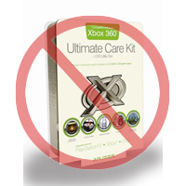 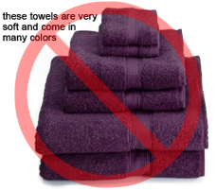 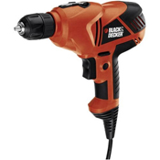 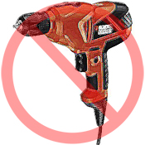 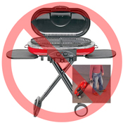 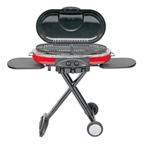 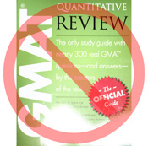 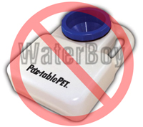 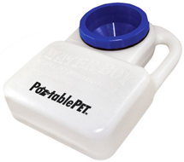 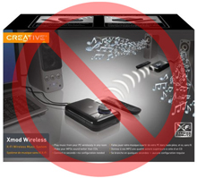 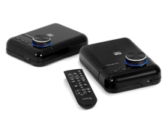 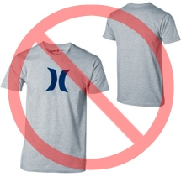  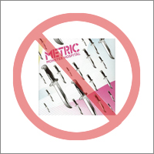 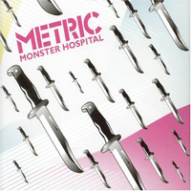 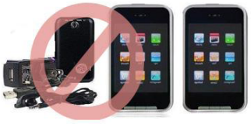 | 图片标准

Pure white background
No additional text
纯白背景
无附加文本
Every product on Amazon needs one or more product images. Choose images that are clear, straightforward, and easy to understand. They must accurately represent the product and be information-rich and attractively presented. Show only the product that is being offered for sale, with minimal or no propping. Text, logos, and inset images are not allowed. Whenever possible, provide several images, with each one showing different angles and details of the product. This is your opportunity to show your product to your customer, so quality matters. |  | 图片是每个商品页面必要的讯息，在亚马逊上，每件商品都需要配有一张或多张商品图片。您需要选择清晰、容易理解、信息丰富且富有吸引力的图片。图片区域仅能展示所售商品本身，故，请尽量不要将配件或道具放在主要图片的区块内。此外，请不要使用文字、logo和插图等，请单纯展示白底去背的商品图片。并且，请尽量提供多张包含不同商品角度的图片，以便从多个角度展示商品的细节。图片对于买家是非常重要的，因此请您格外重视图片的质量。
We reserve the right to reject images that do not meet our image standards. |  | 我们将有权拒绝不符合我们标准的图片的权利。
It is your responsibility to ensure that you have all necessary rights to the images you submit. |  | 您须确保您对于您所提交的图片拥有所有权。

MAIN Images |  | 主图片

No graphics/illustrations
No inset images
No poor quality images
无图片/插图
无插图的图片
无质量差的图片
*The background for a MAIN image must be pure white (pure white blends in with the Amazon search and item detail pages, which have RGB values of 255,255,255). |  | *“主图片”的背景必须为纯白色（纯白色符合亚马逊搜索和商品详情页面标准 – RGB 值 255, 255, 255）。
*A MAIN image must not be a graphic or illustration and must not contain accessories that are not being dispatched with the product, props that may confuse the customer, text that is not part of the product, or any logos, watermarks or inset images. |  | *“主图片”不能为几何图形或是图解，而且不得包含任何买家不会收到的配件、可能使买家误解的物品、不属于商品描述的文字，或任何logo、浮水印及插图。
*The product must fill 85% or more of the image. |  | *商品必须占据图片区域 85% 以上的面积。

Additional Images |  | 附加图片

No watermark/logo
Product not within packaging
No multiple views
无水印/标识
产品不进行包装
无多种外观
*MAIN images should be supplemented with additional images showing different sides of a product, the product in use, or details that are not visible in the MAIN image. For media products, this could include the back cover, sample pages, or screenshots. You can add up to eight (8) images. |  | *“主图片”应搭配不同的其他图片，并从不同的角度来展示商品。建议可拍摄使用中的商品以及在“主图片”中没有显示的细节。若您的商品是影音等媒体类商品，附加图片可能包含封面、封底或者专辑图片的截图。您最多可以添加八张图片。
*A white background is recommended, but not required. Additional images may not include logos or watermarks, and all props or accessories must be presented in a way that will not cause customer confusion. |  | *请尽量使用白色背景(但在此并没有强制规定)。此外，“附加图片”不能包含logo或浮水印，且图片中的所有配件应该清楚呈现，并且不能使买家误解

Image Size |  | 图片大小

Images should be 1000 pixels or more in either height or width as this will enable the zoom function on the website (zoom has been proven to enhance sales). Files measuring less than 500 pixels on the longest side will be rejected by our system. |  | 图片的长或宽当中，应至少有一边为 1000 像素以上才能启用网站的缩放功能（缩放功能可以提高销售转换）。请注意，若最大边长小于 500 像素，该图片将会被系统拒绝。
No placeholder images
No non-included items
Product not too small in frame
无占位符图片
商品品种齐全
产品图片像素不能太低
Naming and Formatting |  | 命名和格式

*Amazon accepts JPEG (.jpg), TIFF (.tif), or GIF (.gif) file formats (JPEG files are preferred as they are smaller in size and can therefore be processed and uploaded more quickly). |  | *亚马逊接受 JPEG（.jpg）、TIFF（.tif）和 GIF（.gif）文件格式（JPEG 尽可能使用JPEG，因为他档案较小，处理上将更具有效率）。
*A suggested way to name an image file is to save the image on your web server using the product SKU as the file name followed by the view type or variant code--MAIN, PT01-PT08 (additional images), SWCH (usually a color swatch only used on products with more than one variation). Examples: 8845013515.MAIN.jpg, 8845013515.PT01.jpg, 8845013515.SWCH.jpg |  | *在云端上保存图片时，建议您档名使用商品的 SKU 加上视图类型 - MAIN(主图片)、PT01-PT08（其他图片）、SWCH（产品缩图） -作为图片的文件名。示例：8845013515.MAIN.jpg、8845013515.PT01.jpg、8845013515.SWCH.jpg

Uploading your Image files |  | 上传图片文件

You have two options to upload your image files: (1) Once you have named the file and saved it to your drive folder, please compress the folder into a zip file. Then, submit the template without image attributes filled to create offers on Amazon and confirm the products are created without errors, using ProcessingSummary. Proceed to image upload tool (https://sellercentral.amazon.com/imaging/upload) to upload images for the listed products. Without providing images, the SKU will not be searchable for customers. (2) Once you have named the file and saved it to your web server, enter the URL of the image file in the appropriate cell of your product template. |  | 您有两种上传图片的选择 (1) 命名文档并存到您的硬盘文件夹后，请将资料压缩为ZIP文档。接着，请上传未填写图片链接的文档以便在Amazon上建立报价。并使用处理报告确认产品已经正确建立，没有任何错误。继续至图片上传工具 (https://sellercentral.amazon.com/imaging/upload) 上传已创建产品的图片。若不提供图片，顾客便查找不到SKU。 (2) 将文件命名并上传到云端之后，请在商品模板的对应单元格中填入图片文件的URL。

